Mentee 5
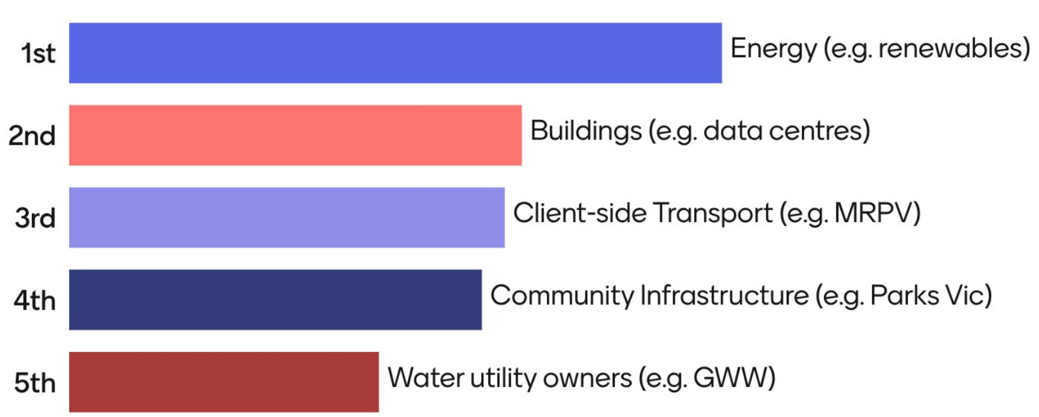
Which of these sectors are you most interested in?

